Variable
Input/Output Variables
Name
Father Name
DOB | Job Hiring Process
CNIC | The flowchart is the brief expression of processes which includes the performas , selection tests and final selection
email Address | For the better view the PDF file is placed.
Phone Number
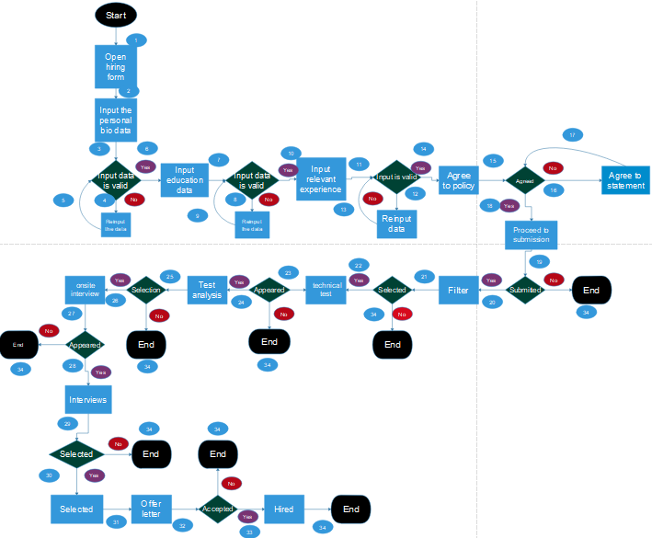
Previous Institution
Previous Degree(s)
Previous Marks
Relevant Experience(s)
Experience in Years
Test Score
Final Merit

